SPARK Budget Template FFY27
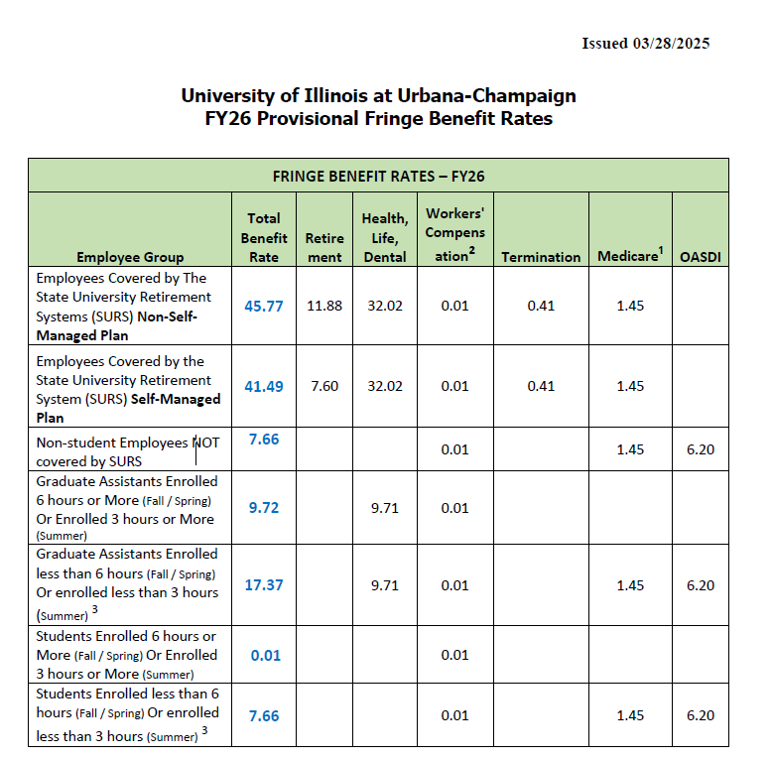
ACES OR Supporting Pathways for Advancement, Research, and Knowledge (SPARK) |  |  |  |  |  |  |  |  | Postdoctoral Research Assistant | 37.80% | Tuition Remission Rate | 64.00% | Sponsored Research | 58.6% | 25.9% | MTDC | On Campus | Off Campus | Basis | PI | Yes | Other Direct Costs
Period of Service: 10/01/2026 - 09/30/2028 |  |  |  | Inflation Rate - Salaries |  | 3.00% |  |  | Grad. Asst. Full-Time (≥ 6 hrs Fall/Spring, 3 hrs Summer) | 9.71% | Fringe Benefit Rate Faculty & Postdoc | 37.80% | Sponsored Instruction | 44.9% | 26.0% | TDC |  |  |  | Co-PI | No | Conference Registration | Non-Employee Travel | Other Contractor Costs | Service Activity | Human Incentive Costs | Animal Costs | Administered Programs via RFP | Rental - Real Property | Rental - Equipment | Conference Hosting Costs (Room Rental, Honorariums) | Shipping | Other
 | Green - enter data |  |  | Inflation Rate - Expenses |  | 4.00% |  |  | Grad. Asst. Half-Time (< 6 hrs Fall/Spring, 3 hrs Summer) | 17.36% | Fringe Benefit Rate (GRA ≥ Half Time) | 9.71% | Other Sponsored Activity | 31.7% | 21.7% | Other
 | Yellow - make drop-down selection or enter data |  |  |  |  |  |  |  | Student Hourly ≥ Half Time Enroll | 0.00% | Fringe Benefit Rate (GRA < Half Time) | 17.36% | Fellowship | 0.0%
 | Gray - formulas |  |  |  |  |  |  |  | Student Hourly < Half Time Enroll | 7.65% | Fringe Benefit Rate (Hourly ≥ Half Time) | 0.00% | Clinical Trial (Industry) | 26.0% |  |  |  |  |  |  |  | Postdoctoral Research Assistant | Grad. Asst. ≥ 6 hrs Fall/Spring, 3 hrs Summer (Full-Time) | Grad. Asst. < 6 hrs Fall/Spring, 3 hrs Summer (Half-time) |  | Student Hourly ≥ Half Time Enroll | Student Hourly < Half Time Enroll
 |  |  |  | Period 1 | Period 2 | Total
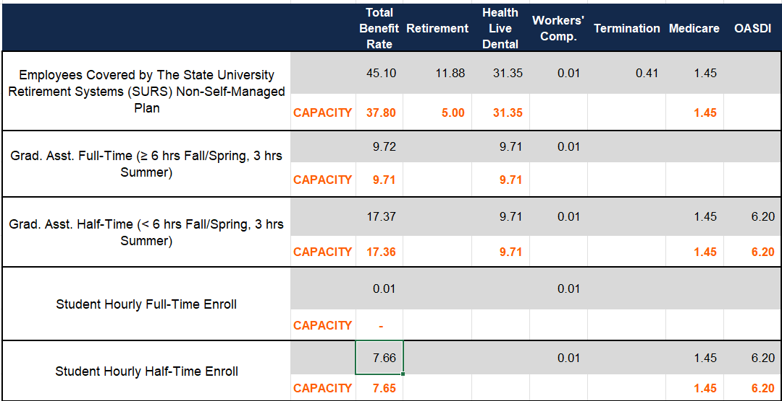
 |  |  |  | 10/2026 - 09/2027 | 10/2027 - 09/2028

A. | Senior Personnel | Yes | Escalate Period 1?
 | Summer Salary not allowed. Academic Year (AY) = 9 months = 39 weeks = 273 days. |  |  | Project Effort (Mos)
 | PI | Appointment | 9.00 | 0.00 | 0.00 | Sum: 0 | Avg: 0
 | Name | Mo. Salary |  |  |  | $-
 | Current Annual Salary | Fringe Rate | 37.80% |  |  | $-
 | Co-PI | Appointment | 9.00 | 0.00 | 0.00 | Sum: 0 | Avg: 0
 | Name | Mo. Salary |  |  |  | $-
 | Current Annual Salary | Fringe Rate | 37.80% |  |  | $-
 | Co-PI | Appointment | 9.00 | 0.00 | 0.00 | Sum: 0 | Avg: 0
 | Name | Mo. Salary |  |  |  | $-
 | Current Annual Salary | Fringe Rate | 37.80% |  |  | $-
 | Co-PI | Appointment | 9.00 | 0.00 | 0.00 | Sum: 0 | Avg: 0
 | Name | Mo. Salary |  |  |  | $-
 | Current Annual Salary | Fringe Rate | 37.80% |  |  | $-
 | Co-PI | Appointment | 9.00 | 0.00 | 0.00 | Sum: 0 | Avg: 0
 | Name | Mo. Salary |  |  |  | $-
 | Current Annual Salary | Fringe Rate | 37.80% |  |  | $-

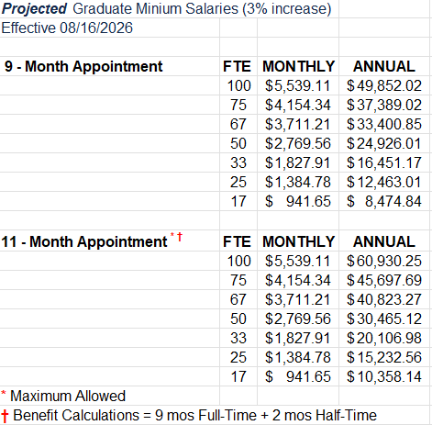
 | Sr. Person Subtotal | Salary |  | $- | $- | $-
 |  | Fringe |  | $- | $- | $-
 |  | Total |  | $- | $- | $-

B. | Other Salaried Personnel | Yes | Escalate Period 1?
 | GAs: There are different Fringe Rates for Full and Half time enrollment.
 | RAs and GAs are limited to 11 months per Period |  |  | Project Effort (Mos)
 | Postdoctoral Research Assistant |  |  | 0.00 | 0.00 | Sum: 0 | Avg: 0
 | Name or TBN | Mo. Salary | $- | $- | $- | $-
 |  | Fringe Rate | 37.80% | $- | $- | $-
 | Grad. Asst. Full-Time (≥ 6 hrs Fall/Spring, 3 hrs Summer) |  |  | 0.00 | 0.00 | Sum: 0 | Avg: 0
 | Name or TBN | Mo. Salary | $- | $- | $- | $-
 |  | Fringe Rate | 9.71% | $- | $- | $-
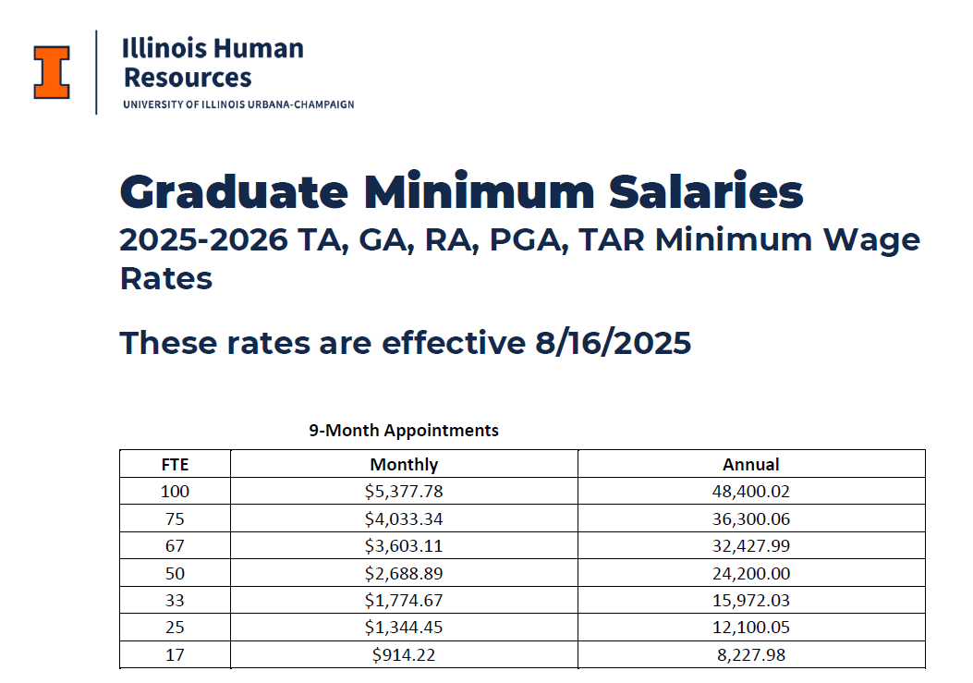
 | Grad. Asst. Half-Time (< 6 hrs Fall/Spring, 3 hrs Summer) |  |  | 0.00 | 0.00 | Sum: 0 | Avg: 0
 | Name or TBN | Mo. Salary | $- | $- | $- | $-
 |  | Fringe Rate | 17.36% | $- | $- | $-

 | Other Salaried Personnel Subtotal | Salary |  | $- | $- | $-
 |  | Fringe |  | $- | $- | $-
 |  | Total |  | $- | $- | $-

C. | Hourly Personnel | Yes | Escalate Period 1?
 | Student Hourly < Half Time Enroll | Hourly Wage | $-
 | Name or TBN | Hours/Week | 0.00
 | < Half Time Enroll | Weeks/Year | 0.00 | $- | $- | $-
 |  | Fringe Rate | 7.65% | $- | $- | $-
 | Student Hourly ≥ Half Time Enroll | Hourly Wage | $-
 | Name or TBN | Hours/Week | 0.00
 | ≥ Half Time Enroll | Weeks/Year | 0.00 | $- | $- | $- | Airfare | https://us2.concursolutions.com/home
 |  | Fringe Rate | 0.00% | $- | $- | $-
 |  |  |  |  |  |  | Lodging | https://www.gsa.gov/
 | Hourly Personnel Subtotal | Salary |  | $- | $- | $- | Car rental | https://partners.rentalcar.com/il-un/
 |  | Fringe |  | $- | $- | $- | Personal Vehicle Mileage | $0.70
 |  | Total |  | $- | $- | $- | F&S Carpool | https://fs.illinois.edu/car-pool-and-transportation/

D. | All Personnel | Salary |  | $- | $- | $- | Taxis/Ride Share Airport<>Hotel
 |  | Fringe |  | $- | $- | $- | Taxis/Ride Share Hotel<>Conference Site
 |  | Total |  | $- | $- | $- | Registration

E. | Travel - Domestic (Includes Canada and Mexico)
 | Trip #1 |  |  | $- | $- | $-
 | Trip #2 |  |  | $- | $- | $-
 | Trip #3 |  |  | $- | $- | $-

 | Total Travel |  |  | $- | $- | $-

F. | Other Direct Costs
 | Consumable Materials & Supplies (Life/usage < 1 year) |  |  | $- | $- | $-
 | Equipment/Tools with unit price < $10,000 |  |  | $- | $- | $-
 | Equipment/Tools with unit price ≥ $10,000 |  |  | $- | $- | $-
 | Professional Services |  |  | $- | $- | $-
 | Computer Services - Cloud Computing, ICCP, Software |  |  | $- | $- | $-
 | Service Activities |  |  | $- | $- | $-
 | Publication / Dissemination |  |  | $- | $- | $-
 | Other |  |  | $- | $- | $-

 | Total Other Direct Costs |  |  | $- | $- | $-

G. | Total Direct Costs |  |  | $- | $- | $-

RFP Evaluation Criteria
